Feuille1

 |  |  | Prix public : | 140.00 €

TOTAL : | 7610
 |  |  | UK size | 6 | 6.5 | 7 | 7.5 | 8 | 8.5 | 9 | 9.5 | 10 | 10.5 | 11 | 11.5 | 12 | 13 | 14 | 15
 | Qté totale | Material | Model | 40 | 40.5 | 41 | 41.5 | 42 | 42.5 | 43 | 43.5 | 44 | 44.5 | 45 | 45.5 | 46 | 47 | 48 | 49
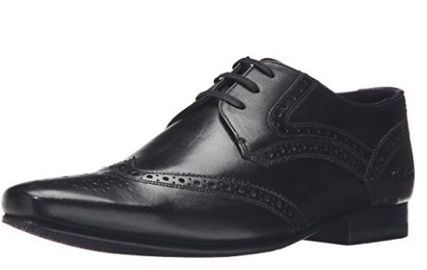 | 1039 | 9-15082 | HANN 2 LTHR AM BLACK | 9 |  | 46 | 1 | 176 | 1 | 394 | 1 | 259 |  | 126 | 1 | 22 | 3
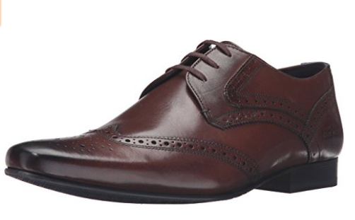 | 216 | 9-15083 | HANN 2 LTHR AM BROWN | 2 | 2 | 14 | 2 | 50 | 2 | 52 | 2 | 50 | 2 | 26 | 2 | 5 | 2 | 2 | 1
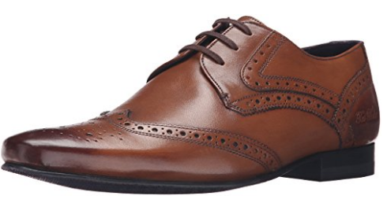 | 1909 | 9-15084 | HANN 2 LTHR AM TAN | 22 |  | 121 | 14 | 303 | 24 | 880 | 14 | 307 | 4 | 172 |  | 48
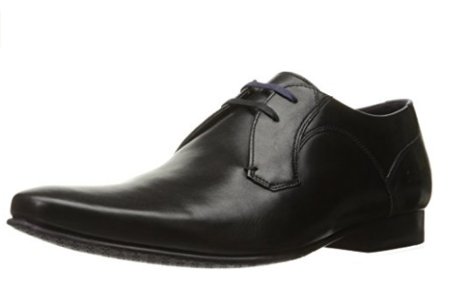 | 706 | 9-15079 | MARTT 2 LTHR AM BLACK | 5 | 4 | 49 | 4 | 171 | 5 | 160 | 10 | 196 | 4 | 70 | 2 | 26
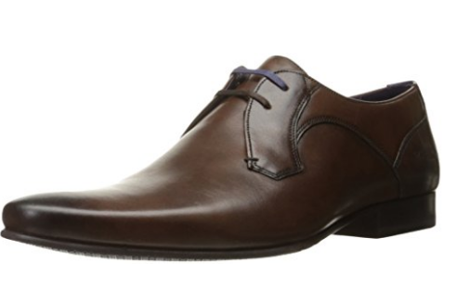 | 1412 | 9-15080 | MARTT 2 LTHR AM BROWN | 13 | 1 | 119 | 1 | 278 | 1 | 403 |  | 343 |  | 226 |  | 22 | 5
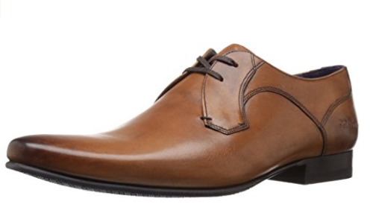 | 634 | 9-15081 | MARTT 2 LTHR AM TAN | 4 | 1 | 70 | 3 | 107 | 1 | 170 | 2 | 159 |  | 86 |  | 25 | 5 |  | 1
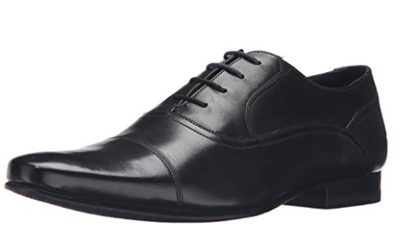 | 898 | 9-15085 | ROGRR 2 LTHR AM BLACK | 11 |  | 79 |  | 109 | 1 | 298 | 1 | 220 |  | 137 | 1 | 40 |  |  | 1
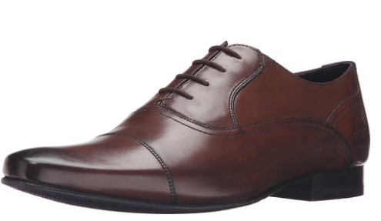 | 644 | 9-15086 | ROGRR 2 LTHR AM BROWN | 6 |  | 81 |  | 107 | 2 | 172 | 6 | 138 | 2 | 114 | 2 | 12 |  | 1 | 1
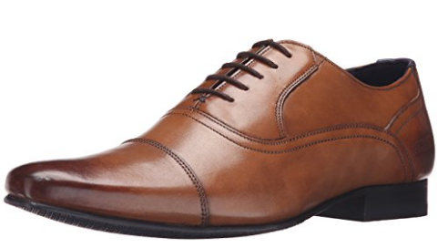 | 152 | 9-15087 | ROGRR 2 LTHR AM TAN | 3 |  | 9 |  | 20 | 3 | 19 | 3 | 46 | 1 | 30 | 1 | 17
 |  |  | TOTAL : | 75 | 8 | 588 | 25 | 1.321 | 40 | 2.548 | 39 | 1.718 | 13 | 987 | 9 | 217 | 15 | 3 | 4

